Location Maps
Rainfed Sites

East: Lancaster, Saunders
South Central: Jefferson, Clay, Gosper/Furnas
West Central: Lincoln, Keith, Perkins, Red Willow/Hitchcock
Panhandle: Box Butte, Banner, Kimball, Cheyenne, Deuel
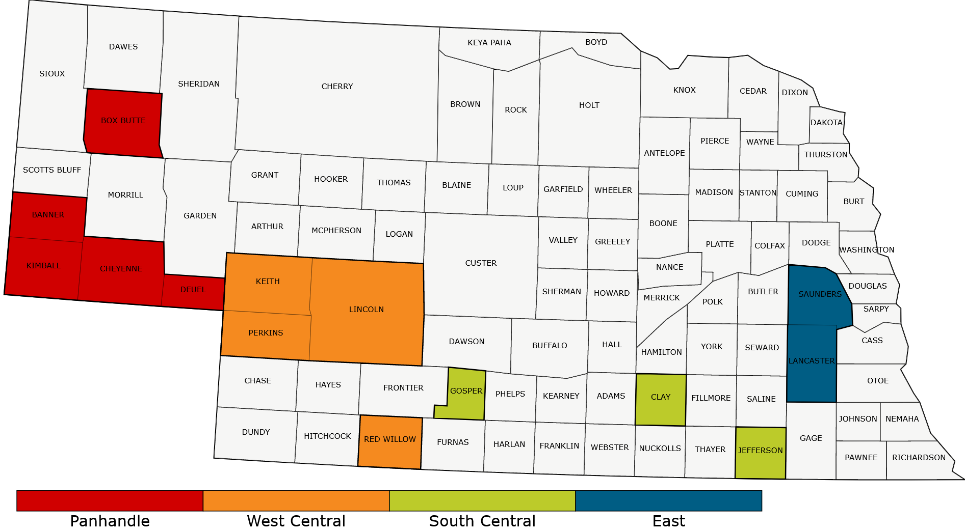

Irrigated Sites

Box Butte, Perkins, Scotts Bluff
